Sheet1
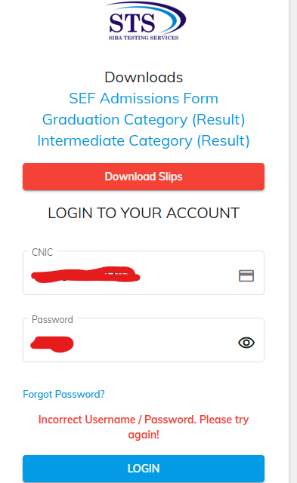
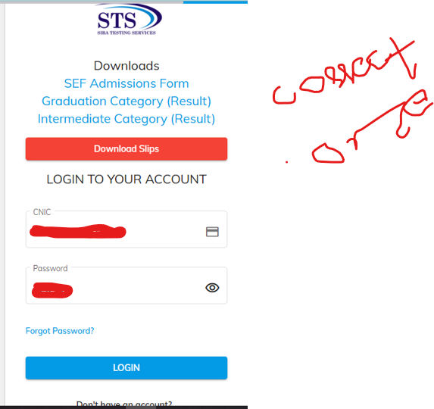
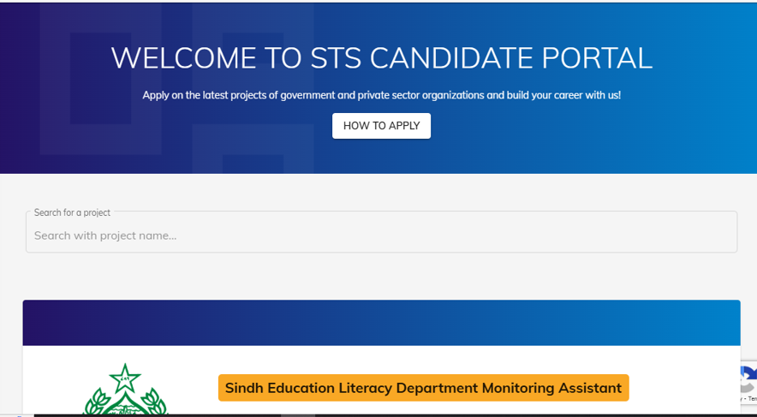

 | Product Name | STS Website |  |  |  |  |  | Product Name | STS Website |  |  |  |  |  | Product Name | STS Website
 | Reference Document | STS Website Mannual Testing Report of TC_01 |  |  |  |  |  | Reference Document | STS Website Mannual Testing Report of TC_02 |  |  |  |  |  | Reference Document | STS Website Mannual Testing Report of TC_03
 | Created By | Farooque Sajjad(22SW040) |  |  |  |  |  | Created By | Farooque Sajjad(22SW040) |  |  |  |  |  | Created By | Farooque Sajjjad(22SW040)
 | Date of Creation | 13-Feb-25 |  |  |  |  |  | Date of Creation | 14-Feb-25 |  |  |  |  |  | Date of Creation | 14-Feb-25
 | Date of Review | 14-Feb-25 |  |  |  |  |  | Date of Review | 15-Feb-25 |  |  |  |  |  | Date of Review | 15-Feb-25

Test case ID | Test Objective | Precondition | Steps | Test Data | Expected Result | Post condition | Test case ID | Test Objective | Precondition | Steps | Test Data | Expected Result | Post condition | Test case ID | Test Objective | Precondition | Steps | Test Data | Expected Result | Post condition
TC_01 | Verify login with incorrect password | User must have a valid account | 1. Navigate to the login page 2. Enter a valid CNIC number 2. Enter an incorrect password 3. Click on Login | CNIC:Number Password: 12345 (wrong password) | User should see an error message indicating incorrect credentials | User remains on the login page | TC_02 | Check response time during different hours | STS website must be live and accessible | 1. Open STS website at night 2. Measure response time 3. Open STS website during the day 4. Measure response time | Night: Expected < 2s Day: Expected < 3s | Response time should be within acceptable limits | Website remains accessible | TC_03 | Ensure proper session timeout handling | User must be logged in | 1. Log in to STS 2. Stay idle for 15 minutes 3. Try to perform an action | Session Timeout: 15 min | User should be logged out after timeout | User is redirected to the login page

 |  |  |  |  |  | Proof of the Test see the SS below.

